Cover Page YPF
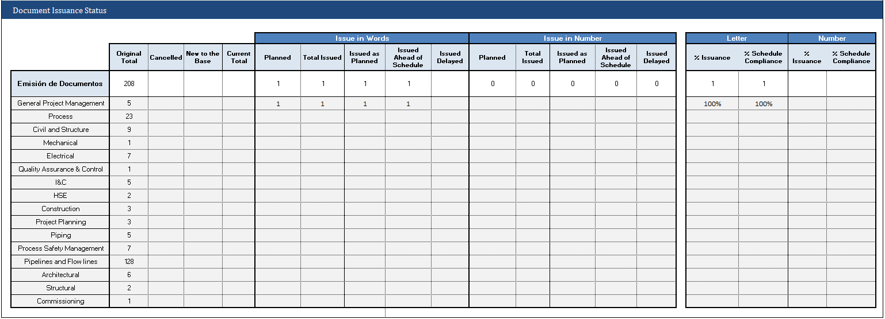
Weekly Project Report |  |  |  |  |  |  |  |  |  |  |  | 16-Oct-25

Proyecto: | Argentina LNG ligth FEED |  |  |  |  |  |  |  |  | Cut off date: 16-10-2025

Weekly Project Management Overview |  |  |  |  |  |  | Key Highlights of the Next Week

The Letter of Intent (LOI) was officially signed on October 3, 2025, formalizing the commitment between the parties to initiate the project. The Effective Date was established as October 6, 2025, marking the start of contractual and initial planning activities.
The Kick-Off Meeting (KOM) was successfully held on October 7, 2025, during which the main project scope, objectives, and execution guidelines were reviewed, ensuring alignment among all teams involved.
Coordination Activities for the Site Visit (October 20–24):
i) The Site Visit Plan was submitted via email on October 10, 2025, outlining the schedule, logistics, and specific objectives of the technical visit.
ii) The HSE Plan Visit was conducted on October 16, 2025, focusing on verifying safety procedures and environmental compliance at the project site.
1. Conduct Site Visit according to the approved Site Visit Plan.
2. Issue the package of General Deliverables (Light FEED), including:
Project Execution Plan (PEP)
HSSE Management Plan
Quality Management Plan
Detailed Schedule

Alertas y Oportunidades
Área |  | Alerts |  |  |  | Impact |  | Action Plan | Responsible | Plan | Forecast
Ingeniería | 0
Ingeniería
Ingeniería | 0

Planning Indicators |  |  |  | Project “S” Curve

CONSOLIDATED ENGINEERING
 | Base line | Real trend
Oct-25 | 3.89% | 0.93%
Nov-25 | 18.89% | 0.93%
Dec-25 | 94.25% | 0.93%
Jan-26 | 100.00% | 0.93%
Feb-26 | 100.00% | 0.93%
Mar-26 | 100.00% | 0.93%
% Av. Real | % Av. Prog. | M
0.9% | 0.9% | 0.0%

HH Proyecto | Ganadas | Planificadas | SPI
Semanal | 85 | 85 | 1.00
Acumulado | 85 | - | -

Comments |  |  |  |  | Reason for Deviation

SUMMARY AND CURVES
 |  | PROJECT | Argentina LNG Ligth FEED
 |  | COMPANY | Bonatti - PUMPCO |  |  |  |  | BASE | BASE | BASE | BASE | BASE | BASE | REAL/ | REAL/ | REAL/ | REAL/ | REAL/ | REAL/
 |  | CONTRACT START: | 2025-10-06 |  |  |  |  | LINE | LINE | LINE | LINE | LINE | LINE | TREND | TREND | TREND | TREND | TREND | TREND
 |  | CUTOFF DATE: | 2025-10-16
 |  |  | CON-012 - ARLNG MONITORING AND MEASUREMENT |  |  |  |  | 3.89% | 15.01% | 75.35% | 5.75% | 0.00% | 0.00% |  | 0.93% | 0.00% | 0.00% | 0.00% | 0.00%
SPECIALTY | PACKAGE Weightage | Weightage | PREVIOUS AC. PROGRESS * | MONTH PROGRESS | ACTUAL AC. PROGRESS | EXPECTED PROGESS | DETOUR | Oct-25 | Nov-25 | Dec-25 | Jan-26 | Feb-26 | Mar-26 | Oct-25 | Nov-25 | Dec-25 | Jan-26 | Feb-26 | Mar-26
CONSOLIDATED ENGINEERING | 100.00% | 100.00% | 0.00% | 0.93% | 0.93% | 0.93% | 0.00% | 3.89% | 18.89% | 94.25% | 100.00% | 100.00% | 100.00% | 0.93% | 0.93% | 0.93% | 0.93% | 0.93% | 0.93%
On Shore Facilities | 100.00% | 100.00% | 0.00% | 0.93% | 0.93% | 0.93% | 0.00% | 3.89% | 18.89% | 94.25% | 100.00% | 100.00% | 100.00% | 0.93% | 0.93% | 0.93% | 0.93% | 0.93% | 0.93%
General Project Management |  | 4.38% | 0.00% | 21.25% | 21.25% | 21.25% | 0.00% | 41% | 44% | 60% | 100% | 100% | 100% | 21% | 21% | 21% | 21% | 21% | 21%
Process |  | 23.54% | 0.00% | 0.00% | 0.00% | 0.00% | 0.00% | 0% | 15% | 95% | 100% | 100% | 100% | 0% | 0% | 0% | 0% | 0% | 0%
Civil and Structure |  | 6.35% | 0.00% | 0.00% | 0.00% | 0.00% | 0.00% | 0% | 18% | 99% | 100% | 100% | 100% | 0% | 0% | 0% | 0% | 0% | 0%
Mechanical |  | 0.66% | 0.00% | 0.00% | 0.00% | 0.00% | 0.00% | 0% | 85% | 100% | 100% | 100% | 100% | 0% | 0% | 0% | 0% | 0% | 0%
Electrical |  | 7.39% | 0.00% | 0.00% | 0.00% | 0.00% | 0.00% | 0% | 0% | 100% | 100% | 100% | 100% | 0% | 0% | 0% | 0% | 0% | 0%
Quality Assurance & Control |  | 0.82% | 0.00% | 0.00% | 0.00% | 0.00% | 0.00% | 85% | 100% | 100% | 100% | 100% | 100% | 0% | 0% | 0% | 0% | 0% | 0%
I&C |  | 5.47% | 0.00% | 0.00% | 0.00% | 0.00% | 0.00% | 0% | 0% | 100% | 100% | 100% | 100% | 0% | 0% | 0% | 0% | 0% | 0%
HSE |  | 1.85% | 0.00% | 0.00% | 0.00% | 0.00% | 0.00% | 38% | 44% | 92% | 100% | 100% | 100% | 0% | 0% | 0% | 0% | 0% | 0%
Construction |  | 2.30% | 0.00% | 0.00% | 0.00% | 0.00% | 0.00% | 0% | 0% | 85% | 100% | 100% | 100% | 0% | 0% | 0% | 0% | 0% | 0%
Project Planning |  | 2.46% | 0.00% | 0.00% | 0.00% | 0.00% | 0.00% | 28% | 33% | 33% | 100% | 100% | 100% | 0% | 0% | 0% | 0% | 0% | 0%
Piping |  | 6.30% | 0.00% | 0.00% | 0.00% | 0.00% | 0.00% | 0% | 39% | 100% | 100% | 100% | 100% | 0% | 0% | 0% | 0% | 0% | 0%
Process Safety Management |  | 7.66% | 0.00% | 0.00% | 0.00% | 0.00% | 0.00% | 0% | 0% | 100% | 100% | 100% | 100% | 0% | 0% | 0% | 0% | 0% | 0%
Pipelines and Flow lines |  | 23.04% | 0.00% | 0.00% | 0.00% | 0.00% | 0.00% | 0% | 29% | 98% | 100% | 100% | 100% | 0% | 0% | 0% | 0% | 0% | 0%
Architectural |  | 5.47% | 0.00% | 0.00% | 0.00% | 0.00% | 0.00% | 0% | 0% | 100% | 100% | 100% | 100% | 0% | 0% | 0% | 0% | 0% | 0%
Structural |  | 1.64% | 0.00% | 0.00% | 0.00% | 0.00% | 0.00% | 0% | 0% | 100% | 100% | 100% | 100% | 0% | 0% | 0% | 0% | 0% | 0%
Commissioning |  | 0.66% | 0.00% | 0.00% | 0.00% | 0.00% | 0.00% | 0% | 0% | 85% | 100% | 100% | 100% | 0% | 0% | 0% | 0% | 0% | 0%
 | * Previous advance accumulated to the cut-off date: | 2025-10-09

 |  |  | PROGRESS MEASUREMENT CRITERIA ACCORDING TO THE EMISSION
 | QUALIFIABLE DOCUMENTS |  |  |  | % PROGRESS
 | ISSUED REV. A |  |  |  | 30%
 | APPROVED LETTER |  |  |  | 30%
 | ISSUED REV. 0 |  |  |  | 25%
 | APPROVED NUMBER |  |  |  | 15%
 | INFORMATIVE DOCUMENTS |  |  |  | % PROGRESS
 | ISSUED REV. A |  |  |  | 85%
 | ISSUED REV. 0 |  |  |  | 15%

 |  | CONTRACTOR SIGNATURE |  | YPF SIGNATURE

CONSOLIDATED ENGINEERING

 |  | PROJECT: | Argentina LNG Ligth FEED
 |  | COMPANY: | Bonatti - PUMPCO
 |  | AWARD: | 2025-10-06
 |  | CUTOFF DATE: | 2025-10-16
General Project Management

Process

Civil and Structure

Mechanical

 |  | PROJECT: | Argentina LNG Ligth FEED
 |  | COMPANY: | Bonatti - PUMPCO
 |  | AWARD: | 2025-10-06
 |  | CUTOFF DATE: | 2025-10-16

Electrical

Quality Assurance & Control

I&C

HSE

 |  | PROJECT: | Argentina LNG Ligth FEED
 |  | COMPANY: | Bonatti - PUMPCO
 |  | AWARD: | 2025-10-06
 |  | CUTOFF DATE: | 2025-10-16
Construction

Project Planning

Piping

Process Safety Management

 |  | PROJECT: | Argentina LNG Ligth FEED
 |  | COMPANY: | Bonatti - PUMPCO
 |  | AWARD: | 2025-10-06
 |  | CUTOFF DATE: | 2025-10-16
Pipelines and Flow lines

Architectural

Structural

Commissioning

